Sheet1
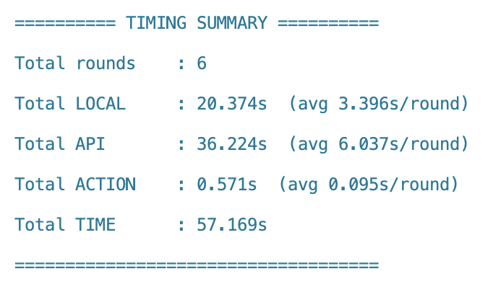
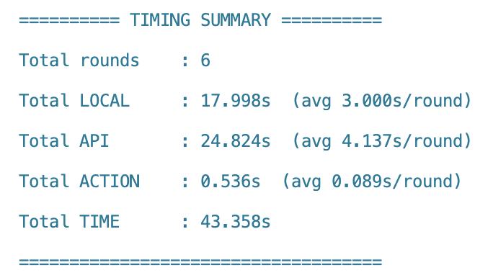
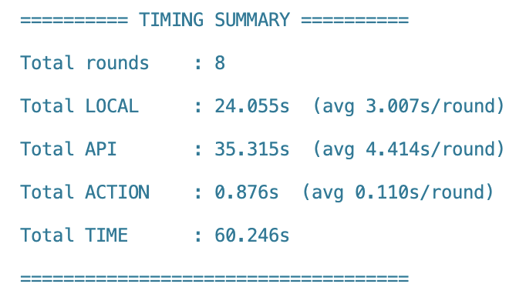
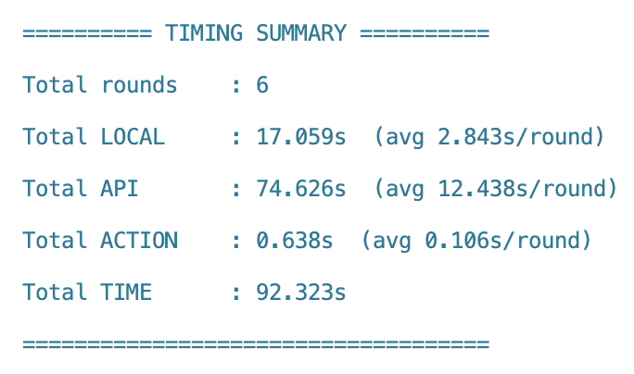
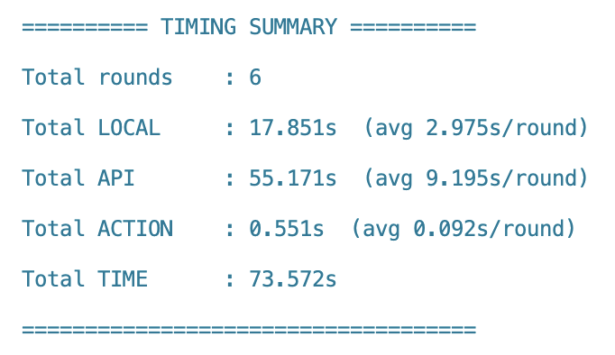
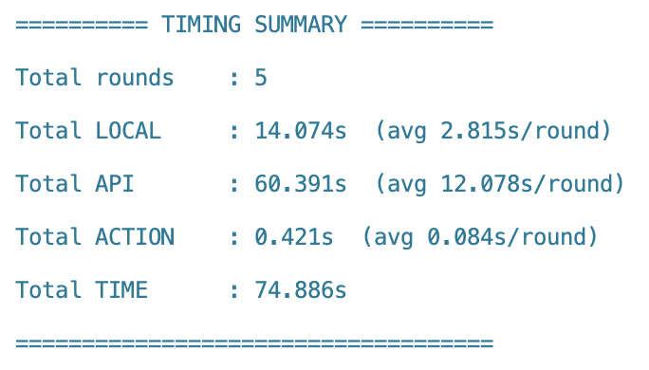
Good Network |  |  |  |  | Medium Network |  |  |  |  | Poor Network
 |  |  |  | Final Result | latency = 200ms, packet loss rate = 1% |  |  |  | Final Result | latency = 500ms, packet loss rate = 5%
Total Local | 21.174 | 22.624 | 23.824 | 22.54 |  | 19.043 | 20.299 | 18.598 | 19.31 |  | 6.569 | 6.230 | 5.774 | 6.19
Total API | 29.602 | 27.920 | 31.007 | 29.51 |  | 67.431 | 57.857 | 67.833 | 64.37 |  | 27.726 | 21.956 | 22.669 | 24.12
Total Action | 0.940 | 1.349 | 1.302 | 1.20 |  | 0.722 | 0.941 | 0.804 | 0.82 |  | 0.216 | 0.193 | 0.229 | 0.21
Total Time | 51.715 | 51.894 | 56.133 | 53.25 | 0.000 | 87.196 | 79.096 | 87.235 | 84.51 | 0.000 | 34.512 | 28.379 | 28.673 | 30.52

Youtube | subscribe to MrBeast | subscribe to Tesla channel | subscribe to Andrej Karpathy |  | Youtube | subscribe to MrBeast | subscribe to Tesla channel | subscribe to Andrej Karpathy |  | Youtube | subscribe to MrBeast | subscribe to Tesla channel | subscribe to Andrej Karpathy
Total Local | 15.611 | 18.994 | 18.207 | 17.60 | Total Local | 19.707 | 18.69 | 17.322 | 18.57 | Total Local | 19.707 | 18.69 | 17.322
Total API | 21.224 | 24.785 | 25.952 | 23.99 | Total API | 83.179 | 65.868 | 68.008 | 72.35 | Total API | 83.179 | 65.868 | 68.008
Total Action | 0.449 | 0.718 | 0.733 | 0.63 | Total Action | 0.649 | 0.58 | 0.688 | 0.64 | Total Action | 0.649 | 0.58 | 0.688
 | 37.284 | 44.497 | 44.892 | 42.22 |  | 103.535 | 85.138 | 86.018 | 91.56 |  | 103.535 | 85.138 | 86.018
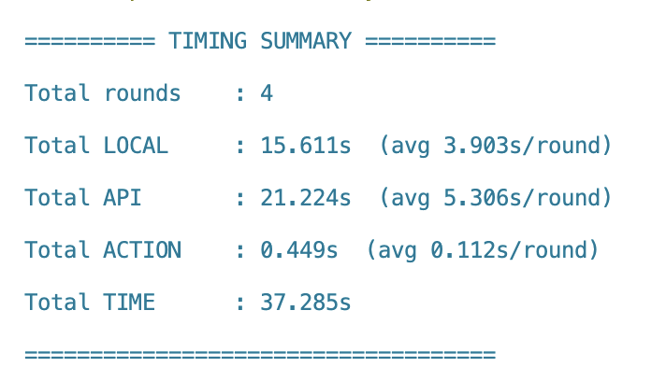
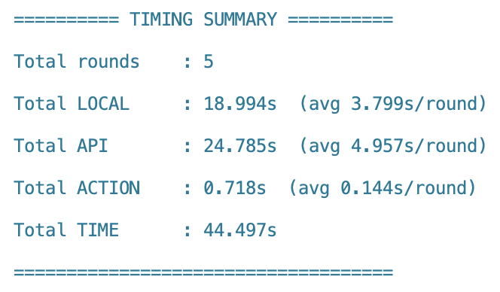
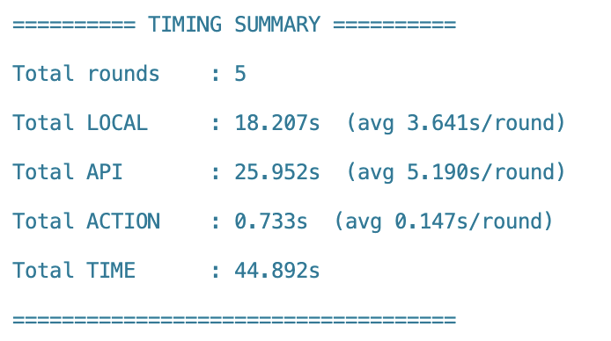
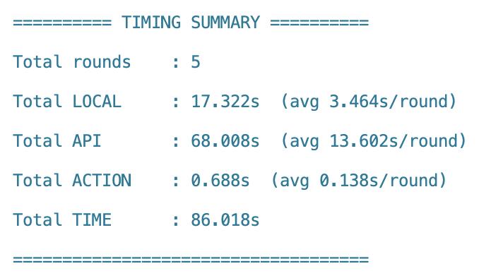
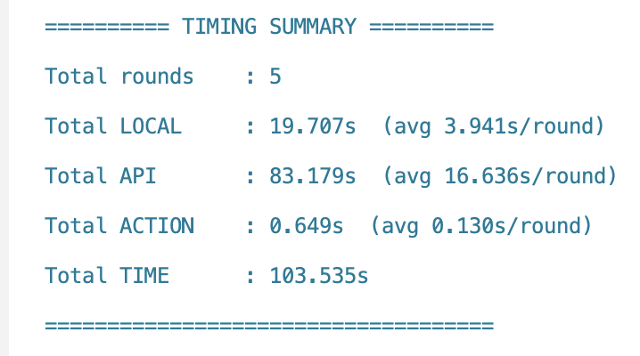
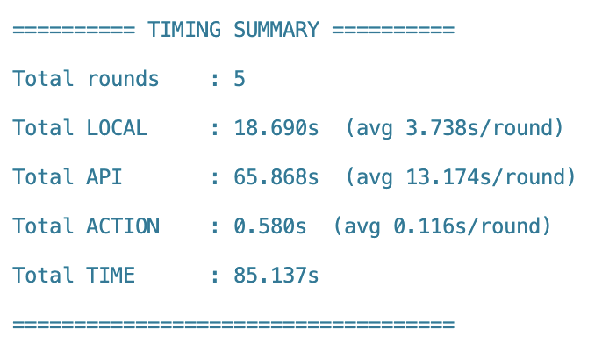

Gmail | send an email to zwu178@ucr.edu about set a clock | send an email to zwu178@ucr.edu about asking publication | send an email to wish zhifeng happy birthday |  | Gmail | send an email to zwu178@ucr.edu about set a clock | send an email to zwu178@ucr.edu about asking publication | send an email to wish zwu178@ucr.edu happy birthday
Total Local | 27.537 | 30.881 | 29.209 | 29.21 | Total Local | 20.362 | 24.355 | 24.399 | 23.04
Total API | 31.357 | 34.152 | 31.755 | 32.42 | Total API | 44.487 | 52.531 | 75.099 | 57.37
Total Action | 1.799 | 2.793 | 2.296 | 2.30 | Total Action | 0.88 | 1.692 | 1.303 | 1.29
 | 60.693 | 67.826 | 63.26 | 63.93 |  | 65.729 | 78.578 | 100.801 | 81.70
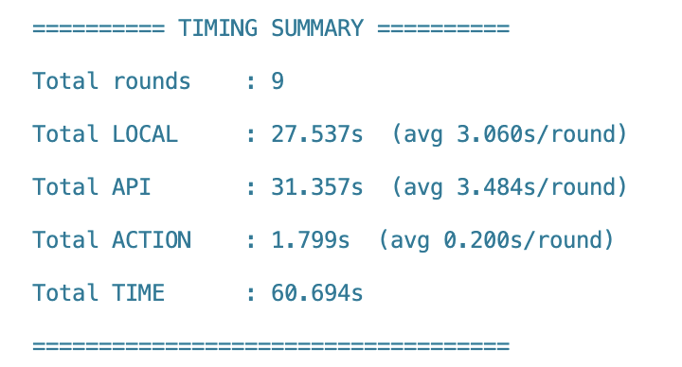
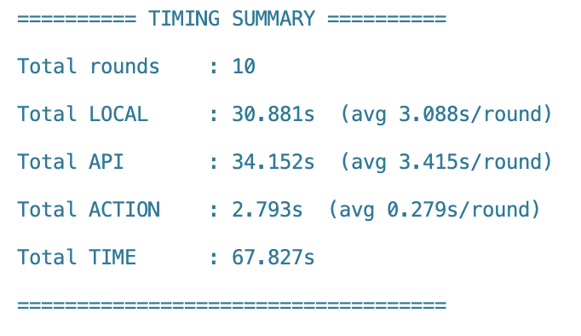
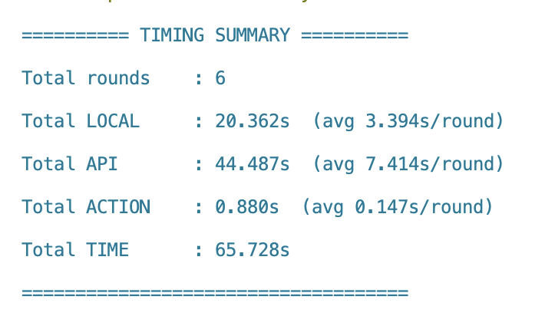
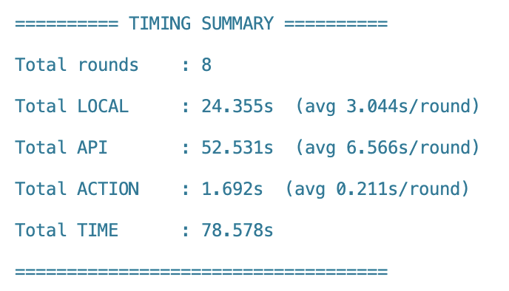
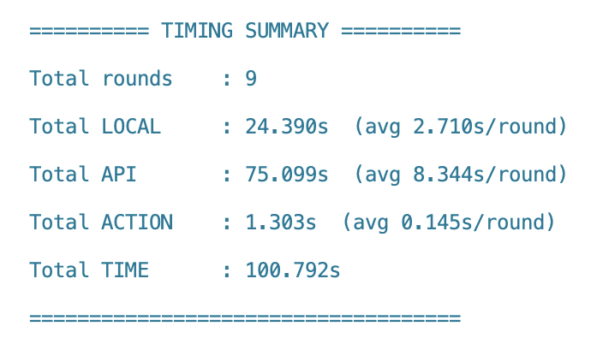

Google Map | navigate to nearby Costco | navigate to UC, Riverside | navigate to walmart |  | Google Map | navigate to nearby Costco | navigate to UC, Riverside | navigate to walmart
Total Local | 20.374 | 17.998 | 24.055 | 20.81 | Total Local | 17.059 | 17.851 | 14.074 | 16.33
Total API | 36.224 | 24.824 | 35.315 | 32.12 | Total API | 74.626 | 55.171 | 60.391 | 63.40
Total Action | 0.571 | 0.536 | 0.876 | 0.66 | Total Action | 0.638 | 0.551 | 0.421 | 0.54
 | 57.169 | 43.358 | 60.246 | 53.59 |  | 92.323 | 73.573 | 74.886 | 80.26

